Pt1_Ex2
A | B | C | D | E | F | S1 | S2 | S3 | S
0 | 1 | 0 | 1 | 0 | 1 | 0 | 0 | 0 | 0
1 | 1 | 0 | 1 | 0 | 1 | 1 | 0 | 0 | 1
0 | 0 | 0 | 1 | 0 | 1 | 0 | 0 | 0 | 0
1 | 0 | 0 | 1 | 0 | 1 | 0 | 0 | 0 | 0
0 | 1 | 1 | 1 | 0 | 1 | 0 | 1 | 0 | 1
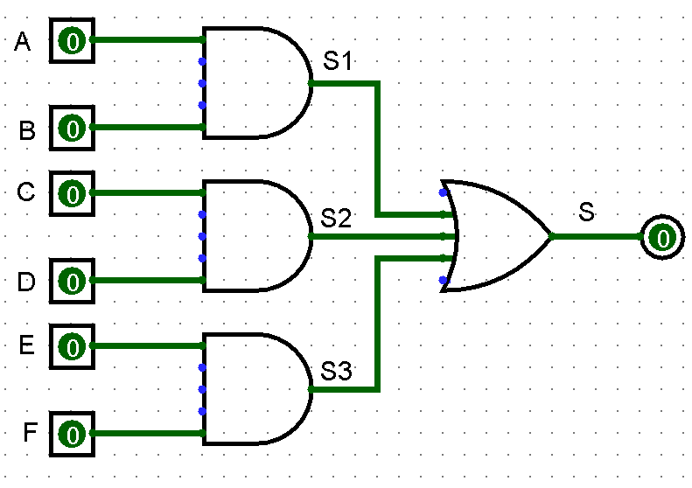
1 | 1 | 1 | 1 | 0 | 1 | 1 | 1 | 0 | 1
0 | 0 | 1 | 1 | 0 | 1 | 0 | 1 | 0 | 1
1 | 0 | 1 | 1 | 0 | 1 | 0 | 1 | 0 | 1
0 | 1 | 0 | 0 | 0 | 1 | 0 | 0 | 0 | 0
1 | 1 | 0 | 0 | 0 | 1 | 1 | 0 | 0 | 1
0 | 0 | 0 | 0 | 0 | 1 | 0 | 0 | 0 | 0
1 | 0 | 0 | 0 | 0 | 1 | 0 | 0 | 0 | 0
0 | 1 | 1 | 0 | 0 | 1 | 0 | 0 | 0 | 0
1 | 1 | 1 | 0 | 0 | 1 | 1 | 0 | 0 | 1
0 | 0 | 1 | 0 | 0 | 1 | 0 | 0 | 0 | 0
1 | 0 | 1 | 0 | 0 | 1 | 0 | 0 | 0 | 0
0 | 1 | 0 | 1 | 1 | 1 | 0 | 0 | 1 | 1
1 | 1 | 0 | 1 | 1 | 1 | 1 | 0 | 1 | 1
0 | 0 | 0 | 1 | 1 | 1 | 0 | 0 | 1 | 1
1 | 0 | 0 | 1 | 1 | 1 | 0 | 0 | 1 | 1
0 | 1 | 1 | 1 | 1 | 1 | 0 | 1 | 1 | 1
1 | 1 | 1 | 1 | 1 | 1 | 1 | 1 | 1 | 1
0 | 0 | 1 | 1 | 1 | 1 | 0 | 1 | 1 | 1
1 | 0 | 1 | 1 | 1 | 1 | 0 | 1 | 1 | 1
0 | 1 | 0 | 0 | 1 | 1 | 0 | 0 | 1 | 1
1 | 1 | 0 | 0 | 1 | 1 | 1 | 0 | 1 | 1
0 | 0 | 0 | 0 | 1 | 1 | 0 | 0 | 1 | 1
1 | 0 | 0 | 0 | 1 | 1 | 0 | 0 | 1 | 1
0 | 1 | 1 | 0 | 1 | 1 | 0 | 0 | 1 | 1
1 | 1 | 1 | 0 | 1 | 1 | 1 | 0 | 1 | 1
0 | 0 | 1 | 0 | 1 | 1 | 0 | 0 | 1 | 1
1 | 0 | 1 | 0 | 1 | 1 | 0 | 0 | 1 | 1
0 | 1 | 0 | 1 | 0 | 0 | 0 | 0 | 0 | 0
1 | 1 | 0 | 1 | 0 | 0 | 1 | 0 | 0 | 1
0 | 0 | 0 | 1 | 0 | 0 | 0 | 0 | 0 | 0
1 | 0 | 0 | 1 | 0 | 0 | 0 | 0 | 0 | 0
0 | 1 | 1 | 1 | 0 | 0 | 0 | 1 | 0 | 1
1 | 1 | 1 | 1 | 0 | 0 | 1 | 1 | 0 | 1
0 | 0 | 1 | 1 | 0 | 0 | 0 | 1 | 0 | 1
1 | 0 | 1 | 1 | 0 | 0 | 0 | 1 | 0 | 1
0 | 1 | 0 | 0 | 0 | 0 | 0 | 0 | 0 | 0
1 | 1 | 0 | 0 | 0 | 0 | 1 | 0 | 0 | 1
0 | 0 | 0 | 0 | 0 | 0 | 0 | 0 | 0 | 0
1 | 0 | 0 | 0 | 0 | 0 | 0 | 0 | 0 | 0
0 | 1 | 1 | 0 | 0 | 0 | 0 | 0 | 0 | 0
1 | 1 | 1 | 0 | 0 | 0 | 1 | 0 | 0 | 1
0 | 0 | 1 | 0 | 0 | 0 | 0 | 0 | 0 | 0
1 | 0 | 1 | 0 | 0 | 0 | 0 | 0 | 0 | 0
0 | 1 | 0 | 1 | 1 | 0 | 0 | 0 | 0 | 0
1 | 1 | 0 | 1 | 1 | 0 | 1 | 0 | 0 | 1
0 | 0 | 0 | 1 | 1 | 0 | 0 | 0 | 0 | 0
1 | 0 | 0 | 1 | 1 | 0 | 0 | 0 | 0 | 0
0 | 1 | 1 | 1 | 1 | 0 | 0 | 1 | 0 | 1
1 | 1 | 1 | 1 | 1 | 0 | 1 | 1 | 0 | 1
0 | 0 | 1 | 1 | 1 | 0 | 0 | 1 | 0 | 1
1 | 0 | 1 | 1 | 1 | 0 | 0 | 1 | 0 | 1
0 | 1 | 0 | 0 | 1 | 0 | 0 | 0 | 0 | 0
1 | 1 | 0 | 0 | 1 | 0 | 1 | 0 | 0 | 1
0 | 0 | 0 | 0 | 1 | 0 | 0 | 0 | 0 | 0
1 | 0 | 0 | 0 | 1 | 0 | 0 | 0 | 0 | 0
0 | 1 | 1 | 0 | 1 | 0 | 0 | 0 | 0 | 0
1 | 1 | 1 | 0 | 1 | 0 | 1 | 0 | 0 | 1
0 | 0 | 1 | 0 | 1 | 0 | 0 | 0 | 0 | 0
1 | 0 | 1 | 0 | 1 | 0 | 0 | 0 | 0 | 0

Pt2_Ex2
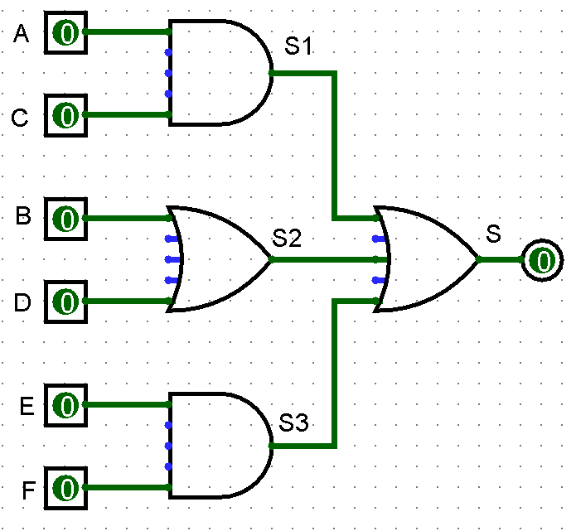
A | C | B | D | E | F | S1 | S2 | S3 | S
0 | 1 | 0 | 1 | 0 | 1 | 0 | 1 | 0 | 1
1 | 1 | 0 | 1 | 0 | 1 | 1 | 1 | 0 | 1
0 | 0 | 0 | 1 | 0 | 1 | 0 | 1 | 0 | 1
1 | 0 | 0 | 1 | 0 | 1 | 0 | 1 | 0 | 1
0 | 1 | 1 | 1 | 0 | 1 | 0 | 1 | 0 | 1
1 | 1 | 1 | 1 | 0 | 1 | 1 | 1 | 0 | 1
0 | 0 | 1 | 1 | 0 | 1 | 0 | 1 | 0 | 1
1 | 0 | 1 | 1 | 0 | 1 | 0 | 1 | 0 | 1
0 | 1 | 0 | 0 | 0 | 1 | 0 | 0 | 0 | 0
1 | 1 | 0 | 0 | 0 | 1 | 1 | 0 | 0 | 1
0 | 0 | 0 | 0 | 0 | 1 | 0 | 0 | 0 | 0
1 | 0 | 0 | 0 | 0 | 1 | 0 | 0 | 0 | 0
0 | 1 | 1 | 0 | 0 | 1 | 0 | 1 | 0 | 1
1 | 1 | 1 | 0 | 0 | 1 | 1 | 1 | 0 | 1
0 | 0 | 1 | 0 | 0 | 1 | 0 | 1 | 0 | 1
1 | 0 | 1 | 0 | 0 | 1 | 0 | 1 | 0 | 1
0 | 1 | 0 | 1 | 1 | 1 | 0 | 1 | 1 | 1
1 | 1 | 0 | 1 | 1 | 1 | 1 | 1 | 1 | 1
0 | 0 | 0 | 1 | 1 | 1 | 0 | 1 | 1 | 1
1 | 0 | 0 | 1 | 1 | 1 | 0 | 1 | 1 | 1
0 | 1 | 1 | 1 | 1 | 1 | 0 | 1 | 1 | 1
1 | 1 | 1 | 1 | 1 | 1 | 1 | 1 | 1 | 1
0 | 0 | 1 | 1 | 1 | 1 | 0 | 1 | 1 | 1
1 | 0 | 1 | 1 | 1 | 1 | 0 | 1 | 1 | 1
0 | 1 | 0 | 0 | 1 | 1 | 0 | 0 | 1 | 1
1 | 1 | 0 | 0 | 1 | 1 | 1 | 0 | 1 | 1
0 | 0 | 0 | 0 | 1 | 1 | 0 | 0 | 1 | 1
1 | 0 | 0 | 0 | 1 | 1 | 0 | 0 | 1 | 1
0 | 1 | 1 | 0 | 1 | 1 | 0 | 1 | 1 | 1
1 | 1 | 1 | 0 | 1 | 1 | 1 | 1 | 1 | 1
0 | 0 | 1 | 0 | 1 | 1 | 0 | 1 | 1 | 1
1 | 0 | 1 | 0 | 1 | 1 | 0 | 1 | 1 | 1
0 | 1 | 0 | 1 | 0 | 0 | 0 | 1 | 0 | 1
1 | 1 | 0 | 1 | 0 | 0 | 1 | 1 | 0 | 1
0 | 0 | 0 | 1 | 0 | 0 | 0 | 1 | 0 | 1
1 | 0 | 0 | 1 | 0 | 0 | 0 | 1 | 0 | 1
0 | 1 | 1 | 1 | 0 | 0 | 0 | 1 | 0 | 1
1 | 1 | 1 | 1 | 0 | 0 | 1 | 1 | 0 | 1
0 | 0 | 1 | 1 | 0 | 0 | 0 | 1 | 0 | 1
1 | 0 | 1 | 1 | 0 | 0 | 0 | 1 | 0 | 1
0 | 1 | 0 | 0 | 0 | 0 | 0 | 0 | 0 | 0
1 | 1 | 0 | 0 | 0 | 0 | 1 | 0 | 0 | 1
0 | 0 | 0 | 0 | 0 | 0 | 0 | 0 | 0 | 0
1 | 0 | 0 | 0 | 0 | 0 | 0 | 0 | 0 | 0
0 | 1 | 1 | 0 | 0 | 0 | 0 | 1 | 0 | 1
1 | 1 | 1 | 0 | 0 | 0 | 1 | 1 | 0 | 1
0 | 0 | 1 | 0 | 0 | 0 | 0 | 1 | 0 | 1
1 | 0 | 1 | 0 | 0 | 0 | 0 | 1 | 0 | 1
0 | 1 | 0 | 1 | 1 | 0 | 0 | 1 | 0 | 1
1 | 1 | 0 | 1 | 1 | 0 | 1 | 1 | 0 | 1
0 | 0 | 0 | 1 | 1 | 0 | 0 | 1 | 0 | 1
1 | 0 | 0 | 1 | 1 | 0 | 0 | 1 | 0 | 1
0 | 1 | 1 | 1 | 1 | 0 | 0 | 1 | 0 | 1
1 | 1 | 1 | 1 | 1 | 0 | 1 | 1 | 0 | 1
0 | 0 | 1 | 1 | 1 | 0 | 0 | 1 | 0 | 1
1 | 0 | 1 | 1 | 1 | 0 | 0 | 1 | 0 | 1
0 | 1 | 0 | 0 | 1 | 0 | 0 | 0 | 0 | 0
1 | 1 | 0 | 0 | 1 | 0 | 1 | 0 | 0 | 1
0 | 0 | 0 | 0 | 1 | 0 | 0 | 0 | 0 | 0
1 | 0 | 0 | 0 | 1 | 0 | 0 | 0 | 0 | 0
0 | 1 | 1 | 0 | 1 | 0 | 0 | 1 | 0 | 1
1 | 1 | 1 | 0 | 1 | 0 | 1 | 1 | 0 | 1
0 | 0 | 1 | 0 | 1 | 0 | 0 | 1 | 0 | 1
1 | 0 | 1 | 0 | 1 | 0 | 0 | 1 | 0 | 1

Pt2_Ex3
P

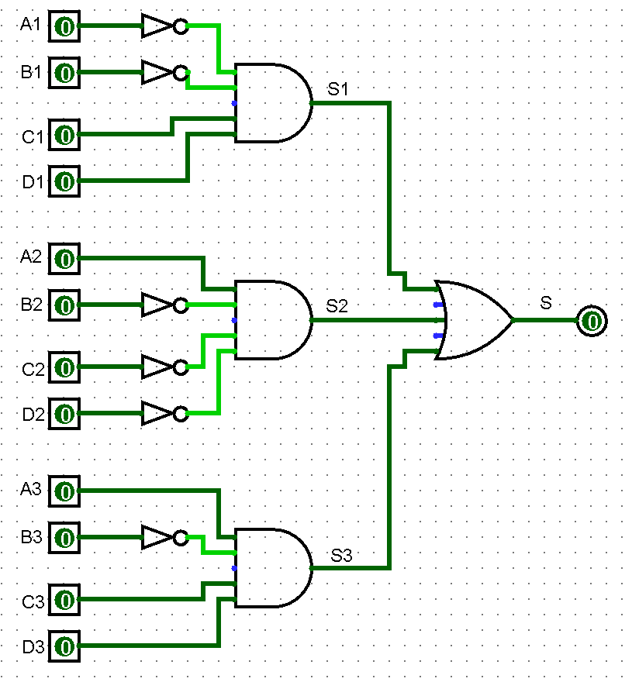

 | S = (!A*!B*C*D) + (A*!B*!C*!D) + (A*!B*C*D)

Pt2_Ex5
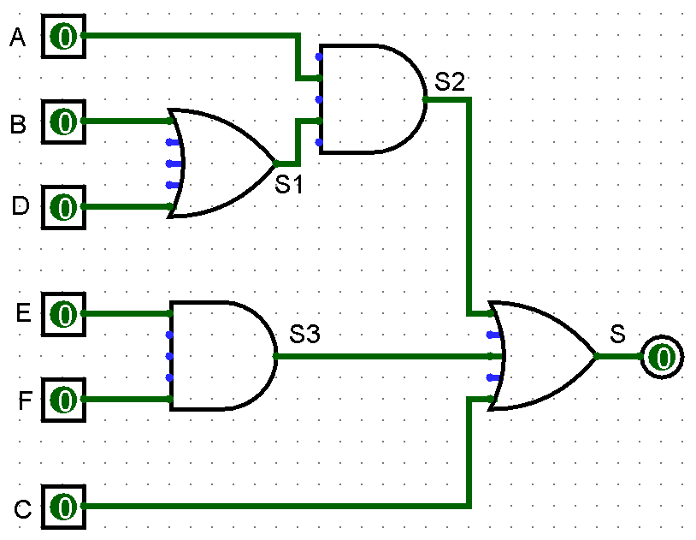
A | B | D | E | F | C | S1 | S2 | S3 | S
0 | 1 | 0 | 1 | 0 | 1 | 1 | 0 | 0 | 1
1 | 1 | 0 | 1 | 0 | 1 | 1 | 1 | 0 | 1
0 | 0 | 0 | 1 | 0 | 1 | 0 | 0 | 0 | 1
1 | 0 | 0 | 1 | 0 | 1 | 0 | 0 | 0 | 1
0 | 1 | 1 | 1 | 0 | 1 | 1 | 0 | 0 | 1
1 | 1 | 1 | 1 | 0 | 1 | 1 | 1 | 0 | 1
0 | 0 | 1 | 1 | 0 | 1 | 1 | 0 | 0 | 1
1 | 0 | 1 | 1 | 0 | 1 | 1 | 1 | 0 | 1
0 | 1 | 0 | 0 | 0 | 1 | 1 | 0 | 0 | 1
1 | 1 | 0 | 0 | 0 | 1 | 1 | 1 | 0 | 1
0 | 0 | 0 | 0 | 0 | 1 | 0 | 0 | 0 | 1
1 | 0 | 0 | 0 | 0 | 1 | 0 | 0 | 0 | 1
0 | 1 | 1 | 0 | 0 | 1 | 1 | 0 | 0 | 1
1 | 1 | 1 | 0 | 0 | 1 | 1 | 1 | 0 | 1
0 | 0 | 1 | 0 | 0 | 1 | 1 | 0 | 0 | 1
1 | 0 | 1 | 0 | 0 | 1 | 1 | 1 | 0 | 1
0 | 1 | 0 | 1 | 1 | 1 | 1 | 0 | 1 | 1
1 | 1 | 0 | 1 | 1 | 1 | 1 | 1 | 1 | 1
0 | 0 | 0 | 1 | 1 | 1 | 0 | 0 | 1 | 1
1 | 0 | 0 | 1 | 1 | 1 | 0 | 0 | 1 | 1
0 | 1 | 1 | 1 | 1 | 1 | 1 | 0 | 1 | 1
1 | 1 | 1 | 1 | 1 | 1 | 1 | 1 | 1 | 1
0 | 0 | 1 | 1 | 1 | 1 | 1 | 0 | 1 | 1
1 | 0 | 1 | 1 | 1 | 1 | 1 | 1 | 1 | 1
0 | 1 | 0 | 0 | 1 | 1 | 1 | 0 | 0 | 1
1 | 1 | 0 | 0 | 1 | 1 | 1 | 1 | 0 | 1
0 | 0 | 0 | 0 | 1 | 1 | 0 | 0 | 0 | 1
1 | 0 | 0 | 0 | 1 | 1 | 0 | 0 | 0 | 1
0 | 1 | 1 | 0 | 1 | 1 | 1 | 0 | 0 | 1
1 | 1 | 1 | 0 | 1 | 1 | 1 | 1 | 0 | 1
0 | 0 | 1 | 0 | 1 | 1 | 1 | 0 | 0 | 1
1 | 0 | 1 | 0 | 1 | 1 | 1 | 1 | 0 | 1
0 | 1 | 0 | 1 | 0 | 0 | 1 | 0 | 0 | 0
1 | 1 | 0 | 1 | 0 | 0 | 1 | 1 | 0 | 1
0 | 0 | 0 | 1 | 0 | 0 | 0 | 0 | 0 | 0
1 | 0 | 0 | 1 | 0 | 0 | 0 | 0 | 0 | 0
0 | 1 | 1 | 1 | 0 | 0 | 1 | 0 | 0 | 0
1 | 1 | 1 | 1 | 0 | 0 | 1 | 1 | 0 | 1
0 | 0 | 1 | 1 | 0 | 0 | 1 | 0 | 0 | 0
1 | 0 | 1 | 1 | 0 | 0 | 1 | 1 | 0 | 1
0 | 1 | 0 | 0 | 0 | 0 | 1 | 0 | 0 | 0
1 | 1 | 0 | 0 | 0 | 0 | 1 | 1 | 0 | 1
0 | 0 | 0 | 0 | 0 | 0 | 0 | 0 | 0 | 0
1 | 0 | 0 | 0 | 0 | 0 | 0 | 0 | 0 | 0
0 | 1 | 1 | 0 | 0 | 0 | 1 | 0 | 0 | 0
1 | 1 | 1 | 0 | 0 | 0 | 1 | 1 | 0 | 1
0 | 0 | 1 | 0 | 0 | 0 | 1 | 0 | 0 | 0
1 | 0 | 1 | 0 | 0 | 0 | 1 | 1 | 0 | 1
0 | 1 | 0 | 1 | 1 | 0 | 1 | 0 | 1 | 1
1 | 1 | 0 | 1 | 1 | 0 | 1 | 1 | 1 | 1
0 | 0 | 0 | 1 | 1 | 0 | 0 | 0 | 1 | 1
1 | 0 | 0 | 1 | 1 | 0 | 0 | 0 | 1 | 1
0 | 1 | 1 | 1 | 1 | 0 | 1 | 0 | 1 | 1
1 | 1 | 1 | 1 | 1 | 0 | 1 | 1 | 1 | 1
0 | 0 | 1 | 1 | 1 | 0 | 1 | 0 | 1 | 1
1 | 0 | 1 | 1 | 1 | 0 | 1 | 1 | 1 | 1
0 | 1 | 0 | 0 | 1 | 0 | 1 | 0 | 0 | 0
1 | 1 | 0 | 0 | 1 | 0 | 1 | 1 | 0 | 1
0 | 0 | 0 | 0 | 1 | 0 | 0 | 0 | 0 | 0
1 | 0 | 0 | 0 | 1 | 0 | 0 | 0 | 0 | 0
0 | 1 | 1 | 0 | 1 | 0 | 1 | 0 | 0 | 0
1 | 1 | 1 | 0 | 1 | 0 | 1 | 1 | 0 | 1
0 | 0 | 1 | 0 | 1 | 0 | 1 | 0 | 0 | 0
1 | 0 | 1 | 0 | 1 | 0 | 1 | 1 | 0 | 1

Pt2_Ex6
